Sheet1
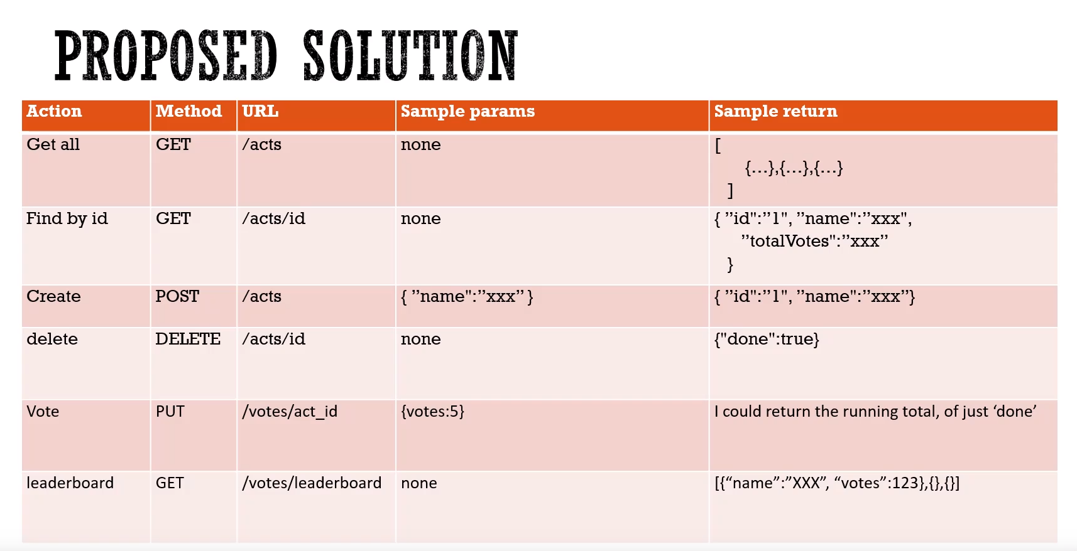
Action | Method | URL | Sample Params | Sample return
Get all | GET | /runs | none | [ {...},{...},{...},{...},{...} ]
Find by id | GET | /runs/id | none | { "id":"1","date":"20/11/19","name":"David","distance":"5","time":"0.5" }
Create | POST | /runs | { "date":"x","name":"xxx","distance":"x","time":"xx" } | { "id":"1","date":"x","name":"xxx","distance":"x","time":"xx" }
Update | PUT | /runs/id | { "distance":"10" } | { "id":"1","date":"x","name":"xxx","distance":"10","time":"xx" }
Delete | DELETE | /runs/id | none | { "done":true }
leaderboard | GET | ??? | none | [{ "name":"xxx","totalDistance" }]

